FINAL RESLTS
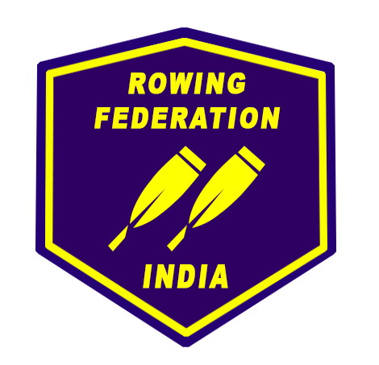
MASTER
BACK
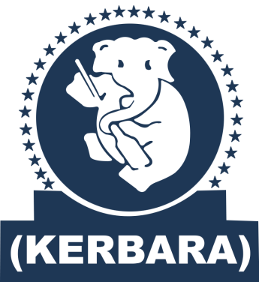 37TH JUNIOR NATIONAL ROWING CHAMPIONSHIP KOLLAM, KERALA 29TH NOVEMBER - 04TH DECEMBER, 2016

FORWARD

RESULTS OF FINALS |  |  |  |  | 3-Dec-16
EVENT | POSITION | TIMING | STATES | ROWER NAMES
Junior Women Single Scull | GOLD | 5:12.66 | TELANGANA | G GEETANJALI
 | SILVER | 5:23.15 | ODISHA | RESHMA KUMARI MINZ
 | BRONZE | 5:32.68 | MANIPUR | N JIBOLATA CHANU
 | 4 | 5:52.46 | KERALA | VARSHA K B

Junior Women Pair | GOLD | 4:57.56 | ODISHA | KAMLA LAKRA | JHARNA HASTI
 | SILVER | 5:02.90 | ANDAMAN AND NICOBAR | JOTHI TAMDU | PRIYA BARLA
 | BRONZE | 5:02.94 | KERALA | CHINCHU ABRAHAM | ANJU ABRAHAM
 | 4 | 5:14.09 | TELANGANA | D LAKSHMI PRASANNA | D SITA MAHALAKSHMI

Junior Women Double Scull | GOLD | 4:23.39 | TELANGANA | B HEMALATA | G GEETANJALI
 | SILVER | 4:25.56 | ODISHA | RESHMA KUMARI MINZ | DEEPIKA XESS
 | BRONZE | 4:36.04 | KARNATAKA | MANASA S M | JOSNA R
 | 4 | 4:40.16 | ANDAMAN AND NICOBAR | SUNAINA KUJUR | JYOTI PRIYA AARTI

Junior Women Coxless Four | GOLD | 4:11.40 | ODISHA | KAMLA LAKRA | RITU KAUDI
 |  |  |  | SUMITRA MALLICK | JHARNA HASTI
 | SILVER | 4:18.80 | KERALA | ARYA P S | SREELAKSHMI B
 |  |  |  | APARNA RAJ | ANJU ABRAHAM
 | BRONZE | 4:27.62 | TELANGANA | D LAKSHMI PRASANNA | V SONY
 |  |  |  | K BHARATHI | D SITA MAHALAKSHMI
 | 4 | 4:30.88 | ANDAMAN AND NICOBAR | PRIYA BARLA | TANUSRI DAS
 |  |  |  | NIKITA TIGGA | JOTHI TAMDU

Junior Men Single Scull | GOLD | 3:59.40 | MADHYA PRADESH | S C VISHAKAT CHANDRA
 | SILVER | 4:03.00 | BOYS SPORTS COMPANY | NIKHIL GOLIYAN
 | BRONZE | 4:08.40 | HARYANA | MAHESHWAR SINGH
 | 4 | 4:09.40 | KERALA | ABHIRAJ A

Junior Men Pair | GOLD | 3:48.94 | TELANGANA | D SAIRAJU | T SUNIL
 | SILVER | 3:50.84 | BOYS SPORTS COMPANY | AKSHAT | LAKSHMI NARAYAN
 | BRONZE | 3:51.53 | MADHYA PRADESH | VISHAVAJEET SENDHAV | MANAS SHARMA
 | 4 | 4:00.51 | KERALA | SIVA SATHEESH | ARJUN B PANICKER

Junior Men Double Scull | GOLD | 3:52.46 | BOYS SPORTS COMPANY | KH. PUNIL SINGH | ASHISH PHUGAT
 | SILVER | 3:56.30 | MADHYA PRADESH | SURENDRA SINGH PARMAR | S C VISHAKAT CHANDRA
 | BRONZE | 4:03.92 | KERALA | JISHNUMON R | ABHIRAJ A
 | 4 | 4:17.12 | TELANGANA | S AJAY KANTH | D BHANU KUMAR

Junior Men Coxless Four | GOLD | 3:26.36 | BOYS SPORTS COMPANY | AKSHAT | NEERAJ
 |  |  |  | ASHISH GOLIYAN | LAKSHMI NARAYAN
 | SILVER | 3:36.67 | MADHYA PRADESH | VISHAVAJEET SENDHAV | LUCKY
 |  |  |  | VIJAY PAL SINGH | MANAS SHARMA
 | BRONZE | 3:36.67 | TELANGANA | D SAIRAJU | K CHARAN SINGH
 |  |  |  | B BALAKRISHNA | T SUNIL
 | 4 | 3:45.31 | PUNJAB | SHAHWINDER SINGH | KARAM CHAND
 |  |  |  | JASKARAN SINGH | AKASHDEEP SINGH

www .indiarowing.com |  |  |  |  | Sd/-
/IndiaRowing |  |  |  |  | PRESIDENT OF JURY

www.facebook.com/events/1684943185159233/?ti=cl

MEDAL TABLE
FORWARD
MASTER
37TH JUNIOR NATIONAL ROWING CHAMPIONSHIP KOLLAM, KERALA 29TH NOVEMBER - 04TH DECEMBER, 2016

TEAM LIST

 | MEDAL TALLY
RANK | NAME OF ASSOCIATION | GOLD | SILVER | BRONZE | TOTAL
1 | TELANGANA | 3 | 0 | 2 | 5
2 | BOYS SPORTS COMPANY | 2 | 2 | 0 | 4
2 | ODISHA | 2 | 2 | 0 | 4
3 | MADHYA PRADESH | 1 | 2 | 1 | 4
4 | KERALA | 0 | 1 | 2 | 3
5 | ANDAMAN AND NICOBAR | 0 | 1 | 0 | 1
6 | KARNATAKA | 0 | 0 | 1 | 1
6 | MANIPUR | 0 | 0 | 1 | 1
7 | HARYANA | 0 | 0 | 1 | 1
8 | ANDHRA PRADESH | 0 | 0 | 0 | 0
9 | ASSAM | 0 | 0 | 0 | 0
10 | CHANDIGARH | 0 | 0 | 0 | 0
11 | HIMACHAL PRADESH | 0 | 0 | 0 | 0
12 | MAHARASHTRA | 0 | 0 | 0 | 0
13 | PUNJAB | 0 | 0 | 0 | 0
14 | TAMIL NADU | 0 | 0 | 0 | 0
15 | UTTAR PRADESH | 0 | 0 | 0 | 0
16 | WEST BENGAL | 0 | 0 | 0 | 0
TOTAL |  | 8 | 8 | 8 | 24

 | www .indiarowing.com |  |  | Sd/-
 | /IndiaRowing |  |  | President of Jury

www.facebook.com/events/1684943185159233/?ti=cl

